Image
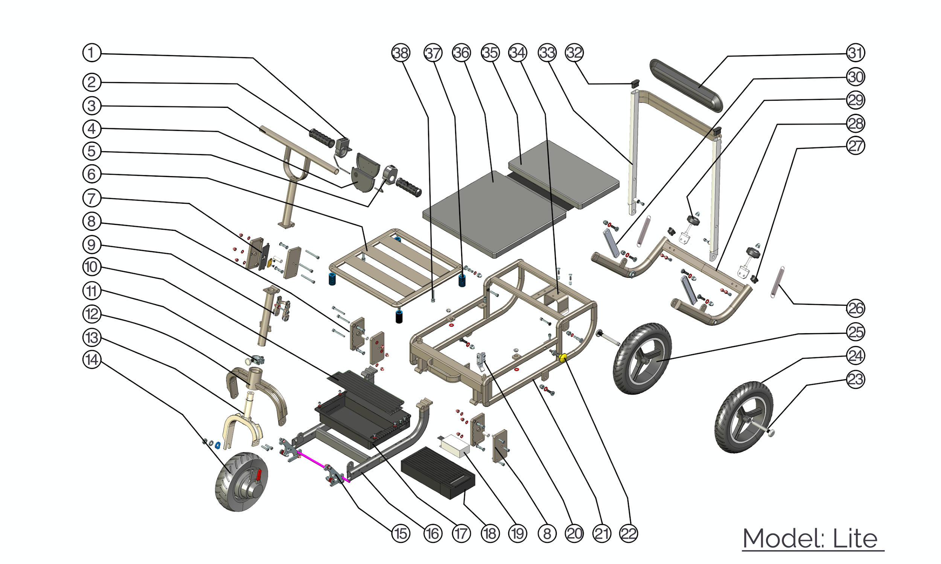
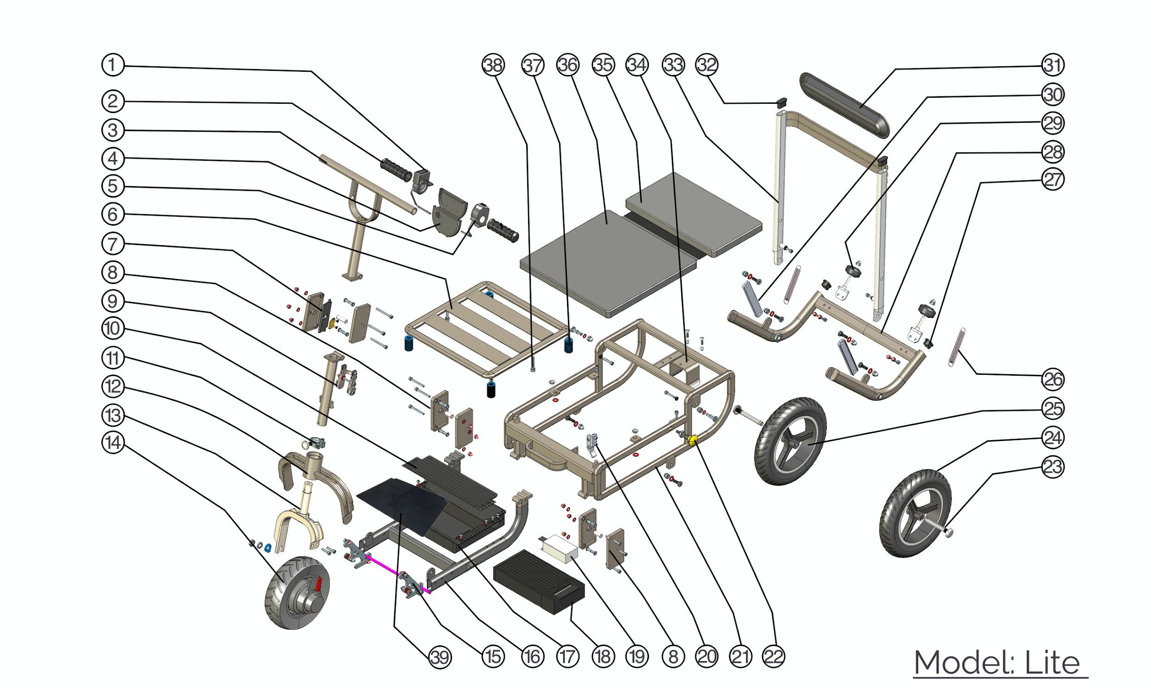
 | Part | SKU | Description | Qty
 | 1 | SUN0098/SUN0346 | Lite - Thumb throttle/ Lite - Thumb throttle - GA | 1
 | 2 | SUN0274 | Lite - Handle bar soft grip | 2
 | 3 | SUN0271 | Lite - Handle bar assembly | 1
 | 4 | SUN0108 | Lite - Tiller Housing (D-shaped) | 1
 | 5 | SUN0107/SUN0342 | Lite - Forward/Reverse switch/Lite - Forward/Reverse switch- GA | 1
 | 6 | SUN0331 | Lite - Seat support frame welding assembly | 1
 | 7 | SUN0110 | Lite - Steering stem folding lock set with all fittings | 1
 | 8 | SUN0332 | Lite - Footrest folding block assembly | 2
 | 9 | SUN0272 | Lite - Stem lower assembly | 1
 | 10 | SUN0268 | Lite - Control box cover with screws | 1
 | 11a | SUN0280 | Lite - Frame collar at bottom of steering stem | 1
 | 11b | SUN0109 | Lite - Magnet block | 1
 | 12 | SUN0333 | Lite -Turn handle fork welding assembly | 1
 | 13 | SUN0270 | Lite - Front fork | 1
 | 14a | SUN0310 | Lite - Motor with single extension cable -version AB | 1
 | 14b | SUN0273 | Lite - Entire Motor (using shorter stub cable 130mm) | 1
 | 14c | SUN0345 | Lite- Motor - GA | 1
 | 15 | SUN0334 | Lite - Front fork locking block assembly | 1
 | 16 | SUN0335 | Lite - Footrest frame welding assembly | 1
 | 17 | SUN0267 | Lite - Battery compartment tray | 1
 | 18 | SUN0069 | Lite - 10ah battery | 1
 | 19 | SUN0136/SUN0341 | Lite - Control box V2 AA/Lite- Control box - GA | 1
 | 20 | SUN0200 | Lite - Steering Stem/Frame Latch and fittings | 1
 | 21 | SUN0336 | Lite - Main frame welding assembly | 1
 | 22 | SUN0201 | Lite - Frame release toggle and fittings | 1
 | 23 | SUN0282 | Lite - Rear wheel quick release axle SET 109mm (Current) | 2
 | 24 | SUN0036 | Rear Tyre 10 inch | 2
 | 25 | SUN0215 | Lite - Rear wheel 10"with recessed bearing | 2
 | 26 | SUN0115 | Lite - Spring to connect frame and backrest with fittings | 2
 | 27 | SUN0248 | Lite - Mainframe end cap | 2
 | 28 | SUN0337 | Lite - Rear frame welding assembly | 1
 | 29a | SUN0111 | Lite - Rear castor mount bracket set with fittings | 2
 | 29b | SUN0113 | Rear Castor 2 inch | 2
 | 30 | SUN0338 | Lite - Backrest frame support rod | 2
 | 31 | SUN0116 | Lite - Soft velcro backrest pad with logo | 1
 | 32 | SUN0117 | Lite - Backrest frame end cap | 2
 | 33 | SUN0339 | Lite - Backrest frame welding assembly | 1
 | 34 | SUN0340 | Lite - Motor limit block | 1
 | 35 | SUN0223 | Lite - Rear Seat Pad | 1
 | 36 | SUN0222 | Lite - Main Seat Pad | 1
Parts not showing in the diagram | 37 | SUN0279 | Lite - Seat spring | 4
 | 38 | SUN0249 | Lite - Seat bolt | 2
Lite - Motor cables - could be various and please contact our customer service team to get more information | 39 | SUN0247 | Lite - Footrest rubber mat | 1

 | Not on Diagram | SUN0343 | Lite - Horn - GA | 1
 | Not on Diagram | SUN0344 | Lite - Main tiller cable - GA | 1
 | Not on Diagram | SUN0202 | Lite - Steering column locking mechanism cables (pair), springs & end caps | Variable

